Catalog Report
Multi Drawer Box

Sr No. | Image | Product Name | Internal Reference | Product Type | Category | UOM | Price | Description

1 | 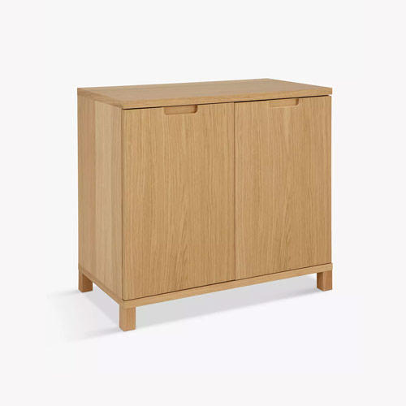 | [E-COM07] Large Cabinet | E-COM07 | Goods | Office | Units | 320 | Not Found
2 | 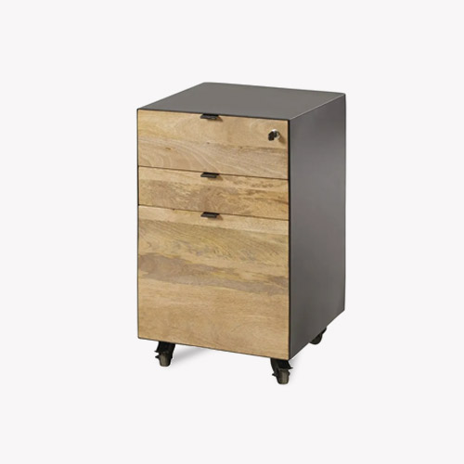 | [FURN_8855] Drawer | FURN_8855 | Goods | Office | Units | 110.5
3 | 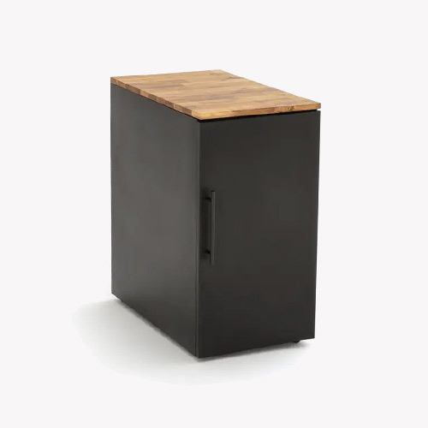 | [FURN_8900] Drawer Black | FURN_8900 | Goods | Office | Units | 25 | Not Found

